Sheet2
Spring AOP
1. Aspect | 1. Aspecto | EXAMPLE
An aspect is a modular unit of functionality that can be applied across multiple points in an application. Aspects typically handle cross-cutting concerns like logging, security, transactions, etc. In Spring, aspects are defined by classes containing cross-cutting logic and annotations. | Un aspecto es una unidad modular de funcionalidad que se puede aplicar transversalmente a varios puntos de una aplicación. Los aspectos suelen manejar preocupaciones transversales como seguridad, logging, manejo de transacciones, etc. En Spring, los aspectos están definidos por clases que contienen la lógica transversal y anotaciones. | EXAMPLE
2. Join Point | 2. Join Point | EXAMPLE
A join point is a point in the execution of the program where an aspect can be applied. In Spring AOP, a join point corresponds to the execution of a method. Simply put, it is where the aspect logic can be applied to the business logic. | Un join point es un punto en la ejecución del programa donde se puede aplicar un aspecto. En Spring AOP, un join point corresponde a la ejecución de un método. En pocas palabras, es el lugar donde la lógica del aspecto puede ser aplicada a la lógica de negocio. | EXAMPLE
3. Advice | 3. Advice | EXAMPLE
Advice is the action taken at a join point. It is the logic that executes when a join point is reached. There are several types of advice in Spring AOP: | El advice es la acción que se realiza en un join point. Es la lógica que se ejecuta cuando se alcanza un join point. Existen varios tipos de advice en Spring AOP: | EXAMPLE
Before advice: Executes before the target method runs. | Before advice: Se ejecuta antes de que el método objetivo se ejecute. | EXAMPLE
After advice: Executes after the target method has finished executing, regardless of whether the execution was successful or an exception was thrown. | After advice: Se ejecuta después de que el método objetivo haya terminado de ejecutarse, independientemente de si la ejecución fue exitosa o si se lanzó una excepción. | EXAMPLE
Around advice: This is the most common and flexible type of advice. It allows you to control when and how the target method is executed, and can even change its result or handle exceptions. | Around advice: Es el tipo más común y flexible de advice. Permite controlar cuándo y cómo se ejecuta un método objetivo, e incluso puede cambiar su resultado o manejar excepciones. | EXAMPLE
After returning advice: Executes only if the target method completes successfully (without throwing exceptions). | After returning advice: Se ejecuta solo si el método objetivo terminó correctamente (sin lanzar excepciones). | EXAMPLE
After throwing advice: Executes if the target method throws an exception. | After throwing advice: Se ejecuta si el método objetivo lanza una excepción. | EXAMPLE
4. Pointcut | 4. Pointcut | EXAMPLE
A pointcut is an expression that defines which methods are eligible for advice. Pointcuts allow you to specify which methods should be intercepted by advice. In Spring, pointcuts are defined using regular expressions on method signatures or by using specific annotations. | Un pointcut es una expresión que define qué métodos son aplicables para el advice. Los pointcuts permiten especificar qué métodos deben ser interceptados por el advice. En Spring, los pointcuts se definen usando expresiones regulares sobre la firma de los métodos o usando anotaciones específicas. | EXAMPLE
5. Aspect | 5. Aspect | EXAMPLE
An aspect is a class that combines advice with a pointcut. In other words, an aspect is an entity that contains both the cross-cutting logic (advice) and the definition of the points where it applies (pointcut). In Spring, it is defined with the @Aspect annotation. | El aspect es una clase que combina el advice con un pointcut. En otras palabras, un aspecto es una entidad que contiene tanto la lógica transversal (advice) como la definición de los puntos donde se aplica (pointcut). En Spring, se define con la anotación @Aspect. | EXAMPLE
6. Weaving | 6. Weaving | EXAMPLE
Weaving is the process of applying an aspect to a join point. This process can happen at different times: | Weaving es el proceso de aplicar un aspecto a un join point. Este proceso puede ocurrir en diferentes momentos: | EXAMPLE
Compile-time weaving: Happens at compile time. | Compile-time weaving: Ocurre en el momento de la compilación. | EXAMPLE
Load-time weaving: Happens when classes are loaded into the JVM. | Load-time weaving: Ocurre cuando las clases son cargadas en la JVM. | EXAMPLE
Runtime weaving: Happens at runtime, and this is the type used by Spring AOP (using proxies). | Runtime weaving: Ocurre en tiempo de ejecución, y es el tipo utilizado por Spring AOP (usando proxies). | EXAMPLE
7. Proxy | 7. Proxy | EXAMPLE
Spring AOP relies on proxies, which are objects that act as intermediaries between the client and the target object. These proxies intercept method calls to the target object and allow the advice to be executed at the proper point. In Spring, proxies can be: | Spring AOP se basa en el uso de proxies, que son objetos que actúan como intermediarios entre el cliente y el objeto objetivo. Estos proxies interceptan las llamadas a los métodos del objeto objetivo y permiten que el advice se ejecute en el punto adecuado. En Spring, los proxies pueden ser: | EXAMPLE

JDK Dynamic Proxies: If the target implements interfaces, Spring creates a proxy based on the interfaces of the object. | JDK Dynamic Proxies: Si el objetivo implementa interfaces, Spring creará un proxy basado en las interfaces del objeto.
CGLIB Proxies: If the target doesn't implement interfaces, Spring uses CGLIB (Code Generation Library) to create a proxy based on subclasses. | CGLIB Proxies: Si el objetivo no implementa interfaces, Spring usa CGLIB (Code Generation Library) para crear un proxy basado en subclases.
8. Annotations in Spring AOP | 8. Anotaciones en Spring AOP
In Spring, several annotations are used to define aspects: | En Spring, se pueden usar varias anotaciones para definir aspectos:
@Aspect: Defines a class as an aspect. | @Aspect: Define una clase como un aspecto.
@Before: Defines advice that runs before the target method. | @Before: Define un advice que se ejecuta antes del método objetivo.
@After: Defines advice that runs after the target method. | @After: Define un advice que se ejecuta después del método objetivo.
@Around: Defines advice that surrounds the execution of the target method. | @Around: Define un advice que rodea la ejecución del método objetivo.
@Pointcut: Defines the pointcut, i.e., the methods to which the advice should apply. | @Pointcut: Define el punto de corte, es decir, los métodos a los que se debe aplicar el advice.
9. Spring Configuration | 9. Configuración en Spring
To enable AOP in Spring, you need to add the following configuration in your XML configuration file or use annotations: | Para habilitar AOP en Spring, debes agregar la siguiente configuración en tu archivo de configuración XML o usar anotaciones:
In this example: The aspect LoggingAspect has two advices: one that executes before the method (@Before) and another that executes after the method (@After). The expression "execution(* com.example.service.*.*(..))" is the pointcut that indicates the advice will apply to all methods in the com.example.service class. | En este ejemplo: El aspecto LoggingAspect tiene dos advices: uno que se ejecuta antes del método (@Before) y otro después (@After). La expresión "execution(* com.example.service.*.*(..))" es el pointcut que indica que el advice se aplicará a todos los métodos en la clase com.example.service. |  | 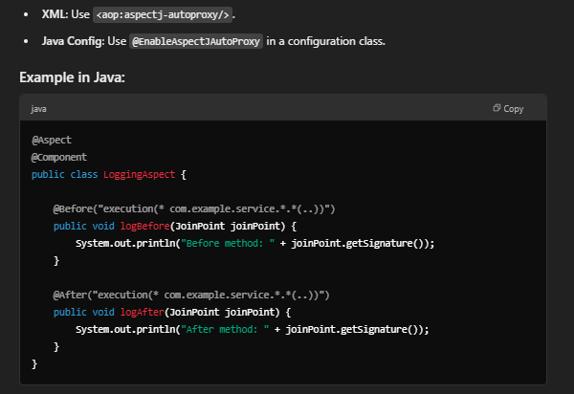

Spring Bean
1. What is a Spring Bean?
A Spring Bean is simply an object that is managed by the Spring container. Spring takes care of creating, configuring, and managing the lifecycle of these objects. Beans are core components in Spring, and they are defined within the application context.
2. Dependency Injection (DI)
One of the key features of Spring is dependency injection. This means that Spring automatically provides the required dependencies to the Beans, instead of you having to instantiate them manually.
For example, if a Bean needs another Bean to function, Spring will automatically inject it.
3. Defining Beans
Beans are typically defined in a Spring configuration file (using XML or annotations in Java). The two most common ways to define Beans are:
Using annotations (Java Configuration): In this approach, you use annotations like @Bean in configuration classes to indicate that a method creates a Bean. |  |  | 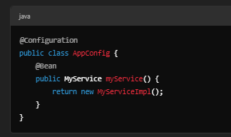
Using XML (XML Configuration): Instead of using configuration classes, you can define Beans in an XML file:
4. Lifecycle of a Bean | 4. Ciclo de vida de un Bean
Beans in Spring have a lifecycle managed by the container. Some of the phases are: | Los Beans en Spring tienen un ciclo de vida gestionado por el contenedor. Algunas de las fases son:
Instantiation: The container creates the Bean. | Instanciación: El contenedor crea el Bean.
Dependency Injection: The container injects the dependencies that the Bean needs. | Inyección de dependencias: El contenedor inyecta las dependencias que el Bean necesita.
Initialization: If configured, the Bean may run an initialization method after creation. | Inicialización: Si se ha configurado, el Bean puede ejecutar algún método de inicialización después de su creación.
Destruction: Before the Bean is destroyed, Spring may run destruction methods if they are configured. | Destrucción: Antes de que el Bean sea destruido, Spring puede ejecutar métodos de destrucción si están configurados.
5. Scope of a Bean | 5. Ámbito (Scope) de un Bean
Spring allows you to define the scope of a Bean, which determines how many instances of the Bean are created. The most common scopes are: | Spring permite definir el alcance de un Bean, lo que determina cuántas instancias del Bean se crean. Los alcances más comunes son:
Singleton: The container creates a single instance of the Bean, which is shared among all clients requesting it. | Singleton: El contenedor crea una única instancia del Bean, que se comparte entre todos los clientes que lo solicitan.
Prototype: A new instance of the Bean is created each time a client requests it. | Prototype: Cada vez que un cliente solicita un Bean, el contenedor crea una nueva instancia.
Request: A new Bean instance is created for each HTTP request. | Request: Una nueva instancia del Bean es creada para cada solicitud HTTP.
Session: A new Bean instance is created for each HTTP session. | Session: Una nueva instancia del Bean es creada por sesión HTTP.
6. BeanFactory vs ApplicationContext | 6. Bean Factory vs ApplicationContext
In Spring, Beans are managed by a container. There are two types of containers: | En Spring, los Beans son gestionados por un contenedor. Existen dos tipos de contenedores:
BeanFactory: The simplest container, providing basic Bean management functionality. | BeanFactory: Es el contenedor más simple y proporciona la funcionalidad básica de contenedor de Beans.
ApplicationContext: An extension of BeanFactory, adding many additional features like event handling, internationalization, and resource management. | ApplicationContext: Es una extensión de BeanFactory y añade muchas funcionalidades adicionales, como eventos, internacionalización, y manejo de recursos.
7. Common Annotations for Beans | 7. Anotaciones Comunes para Beans
Some common annotations for working with Beans in Spring are: | Algunas anotaciones comunes para trabajar con Beans en Spring son:
@Component: Marks a class as a Bean managed by Spring. | @Component: Marca una clase como un Bean gestionado por Spring.
@Service: A specialization of @Component, usually used for service classes. | @Service: Una especialización de @Component, normalmente usada para clases de servicio.
@Repository: Similar to @Service, but used for data access classes (DAOs). | @Repository: Similar a @Service, pero usada para clases de acceso a datos (DAO).
@Controller: Used for classes that handle requests in web applications. | @Controller: Se usa para clases que manejan solicitudes en aplicaciones web.
@Autowired: Used to automatically inject dependencies into Beans. | @Autowired: Se usa para inyectar dependencias automáticamente en los Beans.
8. Configuration in Spring Boot | 8. Configuración en Spring Boot
If you are working with Spring Boot, Bean configuration is simplified due to auto-configuration. However, you can still customize the configuration using the annotations mentioned earlier. | Si estás trabajando con Spring Boot, la configuración de los Beans es más simple debido a la carga automática de configuraciones. Sin embargo, puedes personalizar la configuración usando las anotaciones mencionadas anteriormente.

Spring Caching
Spring Caching is a feature of the Spring Framework that allows you to temporarily store the results of expensive operations (such as database queries or calculations) to avoid performing the same operation repeatedly. This improves the performance of applications by reducing the number of times costly operations are performed.
Basic Concepts:
Cache:
A cache is a temporary storage where the results of previously performed operations are stored. The idea is to reuse these results rather than repeating the operation.

Cacheable:
In Spring, the concept of @Cacheable refers to marking a method whose results will be stored in the cache. When the method is called with the same parameters, Spring will return the result from the cache instead of executing the method again.
@Cacheable: |  |  | 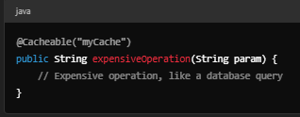
This is an annotation provided by Spring that is used on methods that we want to cache. This is the key point of caching. Example:
Here, myCache is the name of the cache, and the first time the method is executed, the result will be stored in that cache.
@CachePut: This is used to update the cache with the result of a method. It’s useful when you want a method to always update the cache, regardless of whether the method will be executed or not. |  |  | 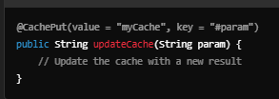
@CacheEvict: This is used to remove items from the cache. It’s useful when an update, deletion, or change operation needs to invalidate the cache. |  |  | 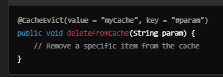
Cache Manager:
This is the interface that manages caches in Spring. A CacheManager handles different caches and accesses them. You can configure it using various implementations like ConcurrentMapCacheManager or EhCacheCacheManager.
Caching Configuration in Spring: |  |  | 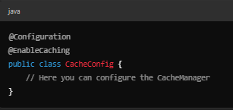
To enable caching in Spring, you need to enable cache support in your application by using the @EnableCaching annotation in a configuration class.
Cache Eviction and Expiration: Many cache frameworks allow you to configure expiration or eviction rules (for example, a time-to-live for cache items). Spring does not directly implement these policies, but you can use them with implementations like EhCache or Redis.

Sheet3
Spring Framework: The Spring Framework is a comprehensive and flexible framework for building Java applications. It provides infrastructure support for developing Java applications, such as dependency injection, aspect-oriented programming, transaction management, and more. The core modules include:

Core Container: Contains the fundamental features, such as BeanFactory (or ApplicationContext), dependency injection, and resource management.
Spring AOP: Provides aspect-oriented programming (AOP) support, allowing you to separate cross-cutting concerns like logging or transactions from business logic.
Spring JDBC: Simplifies database interactions using JDBC (Java Database Connectivity).
Dependency Injection (DI): Dependency Injection is one of the core principles of Spring. It is a design pattern that allows a class to receive its dependencies from external sources rather than creating them internally. This promotes loose coupling and easier unit testing.

Constructor Injection: Dependencies are provided through the constructor of the class.
Setter Injection: Dependencies are provided via setter methods.
Interface Injection: Dependencies are provided via interfaces.
Inversion of Control (IoC): In IoC, the control of object creation and dependency management is transferred from the application code to the Spring container. The Spring IoC container manages the lifecycle and dependencies of objects, making it easier to decouple components.

ApplicationContext: The ApplicationContext is the central interface in Spring for configuration and interaction with beans. It is an extension of the BeanFactory interface, providing more features like event propagation, AOP, and internationalization support.

Bean: Any object that is managed by the Spring container is called a Bean. You can define beans in XML, annotations, or Java Config classes.
BeanFactory: The simplest container, providing the basic DI functionality, but with limited capabilities compared to ApplicationContext.
Beans and Bean Definition: A bean is a Java object that is created and managed by the Spring container. The container manages the bean lifecycle, from creation to destruction. The bean definition is a configuration that describes how to create the bean (via XML, annotations, or Java-based configuration).

Autowiring: Autowiring is a feature in Spring that allows you to automatically inject the dependencies into a bean, based on certain rules. The common types of autowiring are:

By Name: Spring tries to inject the dependency based on the property name.
By Type: Spring injects a bean by matching the property type with the existing bean of the same type.
By Constructor: Spring uses constructor parameters to match the appropriate bean.
Spring Annotations: Spring provides several annotations to reduce the need for XML configuration:

@Component: Marks a class as a Spring bean.
@Autowired: Used to autowire beans.
@Configuration: Marks a class as a source of bean definitions.
@Bean: Marks methods as producing beans.
@Scope: Specifies the scope of the bean (singleton, prototype, etc.).
AOP (Aspect-Oriented Programming): AOP in Spring allows you to define cross-cutting concerns such as logging, security, or transactions in a separate module, rather than in the core logic. AOP is implemented in Spring using aspects, pointcuts, and advices.

Aspect: A modularization of a cross-cutting concern.
Advice: Code that is executed at a particular point in the program, such as before or after a method call.
JoinPoint: A point during the execution of a program, such as method execution.
Pointcut: An expression that matches join points.
Transaction Management: Spring provides a consistent abstraction for managing transactions. It supports both programmatic and declarative transaction management. Using annotations like @Transactional, you can define transaction boundaries.

Spring Boot: Spring Boot is an extension of the Spring Framework that simplifies the setup and configuration of Spring applications. It provides built-in configurations, automatic setups, and an embedded server to make it easier to get a Spring application up and running.

Spring Data Reactive is part of the Spring Framework that focuses on supporting reactive programming with data access. It's designed for building non-blocking applications where you handle asynchronous streams of data using reactive principles. Here are the key concepts you should understand:

1. Reactive Programming:
Reactive programming is a paradigm that deals with asynchronous data streams and the propagation of change. Instead of waiting for a response (blocking), reactive programming allows the application to react to events as they arrive.
Reactive programming is based on the Reactive Streams specification, which defines a standard for asynchronous stream processing with non-blocking backpressure.
2. Non-blocking I/O:
Non-blocking I/O means the application doesn't wait for operations (e.g., database queries, HTTP requests) to complete before moving on to the next task. This improves resource utilization and application scalability.
In Spring Data Reactive, operations like database access are non-blocking, meaning you can perform queries without blocking the thread.
3. Project Reactor:
Project Reactor is a foundational library that supports reactive programming in the Spring ecosystem. It provides types like Mono and Flux that are used for handling asynchronous data.
Mono represents a stream with 0 or 1 element.
Flux represents a stream with 0 to N elements.
4. Reactive Repositories:
In Spring Data Reactive, you can define repositories that extend ReactiveCrudRepository or ReactiveMongoRepository (or similar depending on the database).
These repositories provide methods for performing non-blocking CRUD operations. They return Mono or Flux instead of Optional or collections like List.
5. Backpressure:
Backpressure is a mechanism to deal with situations where the producer of data is generating events faster than the consumer can process them. Reactive systems have built-in support for backpressure to avoid overwhelming consumers with too much data.
For example, the consumer (e.g., database client) may signal the producer (e.g., data source) to slow down.
6. Reactor Data Access:
Spring Data Reactive provides various reactive database libraries for non-blocking access to databases like MongoDB (ReactiveMongoRepository), Cassandra (ReactiveCassandraRepository), and R2DBC for SQL databases.
Each of these repositories provides methods that return Mono or Flux for database operations.
7. Reactive Query Methods:
Just like in standard Spring Data, you can define query methods in your repositories. These methods are reactive, returning results asynchronously as Mono or Flux.
For example, a simple query could look like:

Reactive Web Applications:
In a reactive web application, Spring WebFlux is used for building non-blocking, event-driven web applications. It's designed to run on reactive server containers like Netty or Undertow, instead of traditional servlet containers.
Spring Data Reactive can integrate seamlessly with WebFlux, making it easier to build fully reactive systems where both data access and HTTP requests are handled asynchronously.
9. Error Handling:
Error handling in reactive programming can be a bit different. You need to account for cases where no data is emitted or errors occur asynchronously. In Mono or Flux, you can use operators like onErrorResume or onErrorReturn to handle errors gracefully.
10. Transactions in Reactive:
In reactive environments, managing transactions can be more complex because many database operations are asynchronous. Spring provides support for reactive transactions, allowing you to manage consistency and atomicity across multiple database operations in a non-blocking manner.

Spring Data is a powerful library within the Spring ecosystem that aims to simplify database access by providing a higher level of abstraction over traditional data access technologies. Here are the basic concepts to understand:

Repositories: A core concept in Spring Data is the Repository. A repository is an interface that provides CRUD (Create, Read, Update, Delete) operations for an entity. By extending the JpaRepository or CrudRepository interface, Spring Data automatically provides implementations for these operations. The repository allows you to access your data without writing custom SQL or JPQL queries.

Entities: In Spring Data, an entity represents a table in a database. It is a simple Java class annotated with @Entity, and it is typically mapped to a relational database table. Entities are also associated with primary keys, which are often annotated with @Id.

JPA (Java Persistence API): Spring Data JPA is an extension of Spring Data that provides integration with JPA, a Java standard for object-relational mapping (ORM). With Spring Data JPA, you can use annotations like @Entity, @Id, @OneToMany, and @ManyToOne to define relationships between entities and map them to tables in a relational database.

Query Methods: Spring Data allows you to create queries using the method names in the repository. For example, findByName(String name) will automatically generate a query to retrieve data based on the name field. You can also use @Query to define custom JPQL or SQL queries when the default method query generation isn't enough.

Paging and Sorting: Spring Data provides built-in support for pagination and sorting, allowing you to easily retrieve large datasets in chunks. You can use Pageable and Sort objects to control the number of records returned and how they are sorted.

Auditing: Spring Data has built-in support for auditing, meaning it can automatically track the creation and modification times of entities. Annotations like @CreatedDate, @LastModifiedDate, @CreatedBy, and @LastModifiedBy are used to enable auditing on your entities.

Custom Repositories: Sometimes, you might need more complex queries or operations that go beyond the functionality provided by the built-in repositories. In these cases, you can define custom repositories by creating a separate interface and implementation. Spring Data will automatically integrate them into the application.

Spring Data MongoDB, Redis, and Other Modules: While Spring Data JPA is one of the most common implementations, Spring Data also supports other data stores like MongoDB, Redis, Cassandra, and more. Each of these modules provides specific features and abstractions for working with their respective databases.

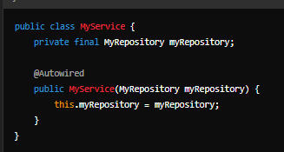

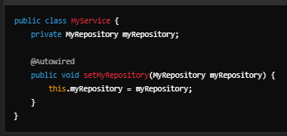
1. What is Dependency Injection (DI)?
Dependency Injection is a design pattern that allows the decoupling of components in a system. Instead of a class creating its own dependencies (objects it needs to function), it receives them from an external source. This helps in improving testability, flexibility, and maintainability of the code.

2. Why is DI important in Spring?
In the Spring Framework, DI is central to its design and is used to manage the dependencies between objects. Spring's DI system enables loose coupling between classes, which makes it easier to swap components, test them in isolation, and manage their lifecycle.

3. How does DI work?
Spring uses Inversion of Control (IoC) to manage the creation and wiring of objects. When a bean (class) is needed, Spring injects the required dependencies at runtime, either via constructors, methods, or field injection.

4. Types of Dependency Injection in Spring:
Constructor Injection: Dependencies are provided through the class constructor

Setter Injection: Dependencies are provided through setter methods.

Field Injection: Dependencies are injected directly into fields without the need for a constructor or setter.

5. @Autowired Annotation
Spring uses the @Autowired annotation to mark where the dependency should be injected. The framework will search for a matching bean in the Spring container and inject it where needed.

6. Spring Bean Container
In Spring, beans are the objects that are managed by the Spring container. The container is responsible for creating, configuring, and managing the lifecycle of beans. When a bean is requested, the container performs DI to fulfill the dependencies.

7. ApplicationContext
The ApplicationContext is the central interface to the Spring container. It is responsible for loading beans and resolving their dependencies.

8. Scope of Beans
Spring beans can have different scopes:

Singleton: One instance of the bean per Spring container.
Prototype: A new instance is created each time the bean is requested.
Request, Session, Application (for web apps): Beans scoped to the lifecycle of a web request, session, or application.
9. Benefits of Dependency Injection in Spring
Loose Coupling: Classes are independent of each other and can be easily replaced or modified.
Testability: It's easier to write unit tests because dependencies can be mocked or stubbed.
Flexibility: You can easily swap implementations or configure different dependencies without modifying the class code.
Centralized Configuration: Dependencies are typically configured in XML or Java configuration files, making the system easy to manage.

Sheet4
Spring Events are a powerful mechanism within the Spring Framework that allow different components of an application to communicate with each other in a loosely-coupled way. They enable objects to be notified of specific events or actions that occur during the application’s lifecycle. Here are the basic concepts to understand about Spring Events:

1. Event Object:
An event in Spring is an object that represents a specific action or occurrence within the application. These events extend ApplicationEvent or can be custom events. The event object carries the data related to the event (e.g., a user registration event might contain user details).

2. ApplicationEventPublisher:
This is an interface that allows an application to publish events. It is usually injected into a Spring bean to trigger events in the application. You can use the publishEvent() method to publish an event.

Example: | 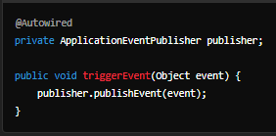

3. Listener:
A listener is a component that listens for specific events. In Spring, the @EventListener annotation is used to mark a method as an event listener, which will automatically be triggered when the specified event is published.

Example:

4. ApplicationListener:
Instead of using @EventListener, you can also implement the ApplicationListener interface. This interface requires you to define the onApplicationEvent() method, where you will specify the logic for handling the event.
Example:

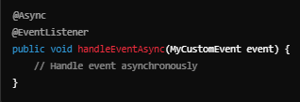
5. Event Publishing:
When a certain action occurs, like a new user registering, you can publish an event to notify other parts of the application about this event. This allows other components to react accordingly, like sending an email or logging the event.

6. Event Types:
You can have built-in events like ContextRefreshedEvent, ContextClosedEvent, or custom events. Custom events are useful for specific application needs, and they are usually a subclass of ApplicationEvent.

7. Asynchronous Event Handling:
Event handling can also be asynchronous. By using @Async or configuring an Executor, you can handle events in the background, improving performance and decoupling tasks.

Example:

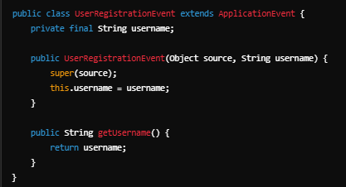
8. Event Propagation:
In Spring, events can be published across different beans, components, or services within the same application. This provides a clean and scalable way to communicate between different parts of your application without direct dependencies between them.

9. Event Lifecycle:
Events in Spring are tied to the lifecycle of the application context. When an event is published, it is sent to all registered listeners. These listeners can then react to the event, which might trigger other actions, including changes in application state.

10. Custom Events:
Custom events are useful for scenarios where you need to communicate business-specific information. You can define your own event classes extending ApplicationEvent and pass relevant data (such as user details, action types, etc.).

Example:

Inversion of Control (IoC): IoC is a design principle where the control of object creation and management is moved from the application code to a container or framework. In traditional programming, the code is responsible for creating objects and managing their lifecycle, while in IoC, the framework (like Spring) takes control of these aspects.

Dependency Injection (DI): DI is a specific form of IoC where the Spring container injects dependencies into objects, rather than the objects creating them. This means that objects don’t need to worry about how to create or manage their dependencies. Dependencies are provided to the object either via constructor injection, setter injection, or field injection.

Constructor Injection: Dependencies are provided through the class constructor.
Setter Injection: Dependencies are provided via setter methods after the object is constructed.
Field Injection: Dependencies are directly injected into fields (less common, as it’s less flexible).
Spring Container: The core of Spring IoC is the Spring container. It’s responsible for managing the lifecycle of beans (objects in Spring terminology) and their dependencies. The container creates and manages the beans and injects their dependencies based on configuration.

Beans: In Spring, beans are objects that are managed by the Spring IoC container. Beans can be configured in several ways (XML configuration, annotation-based configuration, or Java-based configuration).

ApplicationContext: This is a central interface to the Spring IoC container, which is used for retrieving beans. It’s an extension of BeanFactory, which is another interface in Spring for bean management. The ApplicationContext provides additional features like event propagation, declarative mechanisms, and more.

Configuration: Spring supports different types of configuration for setting up the container:

XML Configuration: Traditional method where beans are defined inside an XML file.
Annotation-based Configuration: Use of annotations (like @Component, @Service, etc.) to define and configure beans.
Java-based Configuration: Using @Configuration classes with @Bean methods to define beans in Java.
Scopes: Beans in Spring can have different lifecycles or scopes, defining how long they live and how they’re shared. Common scopes are:

Singleton: One instance of the bean is created and shared across the entire application context (default scope).
Prototype: A new instance of the bean is created every time it’s requested.
Request: A new instance is created for each HTTP request (useful for web applications).
Session: A new instance is created for each HTTP session.
Autowiring: Autowiring is a feature of Spring where the framework automatically resolves bean dependencies without explicit configuration. This can be done using annotations like @Autowired.

Loose Coupling: The main benefit of IoC and DI is that they promote loose coupling in your application. This means that classes are not tightly dependent on one another, and changes to one class (or service) won't impact others, making the system more modular and easier to maintain.

Spring JDBC (Java Database Connectivity) is a part of the Spring Framework that simplifies database interactions in Java applications. Here are the key concepts to understand:

JDBC Template:

The JdbcTemplate class is at the core of Spring JDBC. It simplifies database operations by handling the creation and closing of database connections, executing SQL queries, and handling exceptions.
It eliminates boilerplate code such as opening and closing connections and processing result sets.
DataSource:

The DataSource object is responsible for establishing a connection to the database. It can be configured in Spring's application context (using Java Config or XML) and is typically used with connection pooling.
Spring provides a variety of implementations, such as DriverManagerDataSource (for simple scenarios) and BasicDataSource (for connection pooling).
NamedParameterJdbcTemplate:

This is a subclass of JdbcTemplate that allows using named parameters in SQL queries, making them easier to read and maintain.
For example, instead of using ? placeholders, you can use :parameterName.
RowMapper:

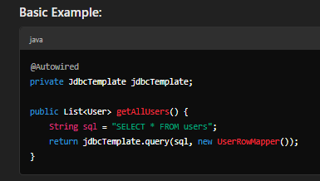
The RowMapper interface is used to map each row of a result set to a Java object. It is particularly useful when you want to retrieve complex objects from the database.
You implement the mapRow method to convert rows in the result set to instances of a specific class.
JdbcDaoSupport:

JdbcDaoSupport is a convenient base class for your DAO (Data Access Object) classes, which provides direct access to JdbcTemplate. By extending JdbcDaoSupport, you can avoid manual configuration of JdbcTemplate in your DAO.
Exception Handling:

Spring JDBC provides a set of exception classes that are used to handle database-related errors. Instead of using SQLException, Spring wraps these into runtime exceptions that are easier to handle in a Spring context. Common exceptions include DataAccessException.
Transaction Management:

Spring JDBC integrates with Spring’s transaction management framework, allowing you to manage transactions declaratively or programmatically. This ensures consistency and rollback in case of errors.
Batch Processing:

Spring JDBC supports batch processing, which allows you to execute multiple SQL statements in a single batch for performance improvement, especially when inserting, updating, or deleting large volumes of data.
Integration with Other Spring Modules:

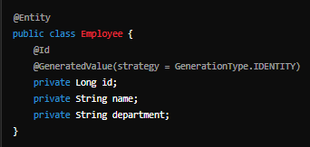
Spring JDBC works seamlessly with other Spring modules such as Spring AOP (Aspect-Oriented Programming), Spring Transactions, and Spring Security, allowing for enhanced functionality like security and transaction management.
SQL Injection Prevention:

By using JdbcTemplate and parameterized queries, Spring JDBC helps prevent SQL injection attacks, as it separates SQL code from data input.
In this example, JdbcTemplate is used to execute a query that retrieves data from the "users" table, and the UserRowMapper converts each row into a User object.

1. What is JPA?
JPA (Java Persistence API) is a specification for object-relational mapping (ORM) in Java. It allows developers to map Java objects to database tables, enabling the persistence of data without writing a lot of SQL code. JPA works with a persistence context (entity manager) that manages the lifecycle of the entities.

2. Entities
An Entity in JPA is a Java class that represents a table in a relational database. Each instance of an entity represents a row in the table.

Example:

3. Entity Manager
The Entity Manager is the core interface used to interact with the persistence context. It is responsible for CRUD operations (create, read, update, delete) on entities.

Example:

4. Repositories
Spring Data JPA provides repositories that simplify data access. A repository is an interface that provides methods to interact with the database without the need to write SQL.

Example:

5. Queries
You can define custom queries in JPA using JPQL (Java Persistence Query Language), which is similar to SQL but works with entities instead of database tables.

Example:

6. Transactions
JPA supports transactions to ensure that data changes are consistent. You can define transactional methods using @Transactional.

Example:

7. Configuration | 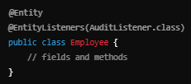
Spring Boot and Spring Data JPA automatically configure the connection to the database using application properties or YAML files. You can configure the DataSource, EntityManagerFactory, and TransactionManager in Spring's application context.

Example configuration in application.properties:

8. Security
Spring Security can be used alongside JPA to secure your data access layer. You can use annotations like @PrePersist, @PreUpdate, etc., to intercept entity operations and add security measures like logging, validation, or user-specific data handling.

Example (PrePersist Interceptor):

9. Interceptors and Listeners
JPA also allows you to define listeners that get triggered before or after certain operations like insert, update, or delete.

Example (using a @EntityListeners annotation):

10. Lazy vs. Eager Loading
In JPA, you can define how related entities are fetched with LAZY or EAGER loading strategies.

EAGER: Related entities are fetched immediately when the parent entity is loaded.
LAZY: Related entities are fetched only when accessed.

11. Cascading Operations
You can define cascading operations for entity relationships, meaning changes to one entity can automatically affect the related entities.

Example:

12. Paging and Sorting
Spring Data JPA provides built-in support for paging and sorting data.

Example:

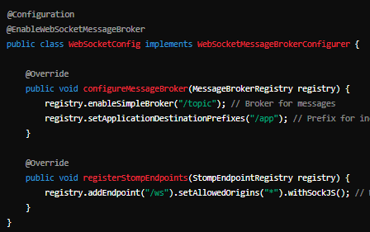

1. What are WebSockets?
WebSockets provide full-duplex communication channels over a single, long-lived TCP connection. Unlike HTTP, WebSockets allow both the client and server to send data independently of each other after the initial handshake. This makes it particularly useful for real-time applications, such as chat apps or live notifications.

2. How Spring WebSockets Work
Spring WebSockets build on the WebSocket protocol, which is part of the HTML5 standard. In Spring, WebSockets can be used to create bidirectional communication between the client and the server in a more efficient way than traditional HTTP-based approaches.

3. Key Concepts
WebSocket Configuration: This is the setup required to enable WebSocket connections in your Spring application.
Stomp Protocol: STOMP (Simple Text Oriented Messaging Protocol) is commonly used with WebSockets in Spring. It provides a way to send messages to and from a WebSocket server.
Messaging Templates: Spring provides a SimpMessagingTemplate class that allows sending messages to WebSocket endpoints or subscribed users.
4. Basic WebSocket Configuration Example (Spring Boot) | 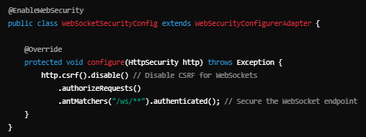
In Spring, you need to configure WebSocket support by extending AbstractWebSocketMessageBrokerConfigurer or using @EnableWebSocketMessageBroker:

5. Security for WebSockets | 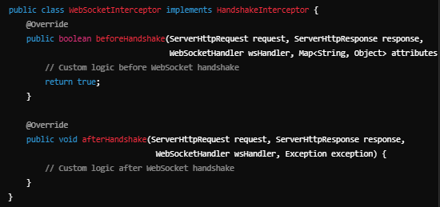
WebSocket connections need to be secured to avoid unauthorized access. You can use Spring Security to secure WebSocket endpoints:

Authentication: Ensure users are authenticated before allowing WebSocket connections.
Authorization: Use access control lists (ACLs) or role-based authorization to restrict certain WebSocket message destinations.
Example of a simple WebSocket security configuration:

6. WebSocket Interceptors | 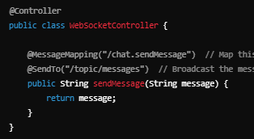
Interceptors in Spring WebSocket allow you to interact with messages sent and received by WebSocket sessions. You can use them for things like logging, session validation, or modifying messages.

Example of a WebSocket interceptor:

To register the interceptor:

Sending and Receiving Messages | 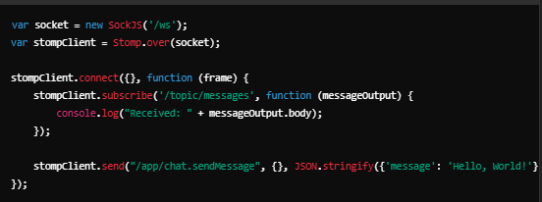
Spring uses @MessageMapping to map messages to controller methods, similar to how @RequestMapping works for HTTP requests.

Example of a simple WebSocket controller:
@MessageMapping: Maps the incoming message to a method. @SendTo: Broadcasts the response to a specified destination (e.g., /topic/messages).

8. Using SockJS
SockJS is a JavaScript library that provides a WebSocket-like object that can fall back to other protocols (such as long polling) when WebSockets are not available. It's commonly used to ensure that WebSocket connections work in browsers or networks that block WebSocket traffic.

9. Example Client (JavaScript with SockJS)

10. Real-World Use Cases
Chat Applications: Real-time communication for chat apps, where clients can send and receive messages instantly.
Live Notifications: Push notifications to users in real time (e.g., for updates on social media or e-commerce).
Collaboration Tools: Real-time document editing or collaborative features in productivity apps.

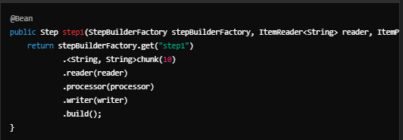

Spring Batch is a powerful framework designed for batch processing. It is widely used to handle large volumes of data, often in enterprise-level systems where high performance and scalability are crucial. Below are the basic concepts to help you understand Spring Batch and its configurations:

1. Job:
A Job is a container for steps and defines the execution of a batch process. It is the highest level of abstraction in Spring Batch. A job can consist of one or more Steps, which are executed in a specified order.

2. Step: | 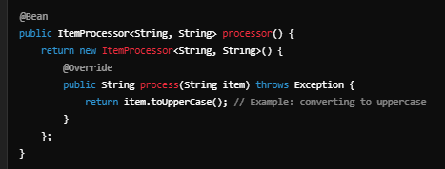
A Step is a distinct phase in the batch job process. It can perform tasks like reading data, processing it, and writing the processed data. Each step is independent and typically involves the following phases:
ItemReader: Reads the input data.
ItemProcessor: Processes the data.
ItemWriter: Writes the processed data.

ItemReader, ItemProcessor, and ItemWriter:
ItemReader: Reads input data, such as from a database or a file.

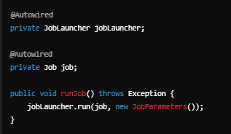
ItemProcessor: Processes the data between reading and writing

ItemWriter: Writes the processed data to a destination, such as a database or a file

Chunk Processing:
Chunk processing allows for processing large amounts of data in smaller, manageable chunks. This improves memory efficiency by committing data at regular intervals (after a certain number of items are processed).

JobRepository:
The JobRepository is used to store metadata about the job's execution, such as the status of the job, step execution details, and more.
It provides persistence to track the job and step execution state, enabling restartability and resuming jobs from the last successful step.
6. JobLauncher: | 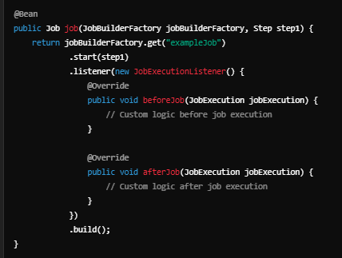
The JobLauncher is responsible for starting and managing the execution of a batch job.
Example:

7. Security:
Security in Spring Batch often involves securing job execution and managing access control for batch processes. Spring Security can be integrated to secure job invocations and ensure only authorized users can trigger specific jobs or steps.

8. Interceptors: | 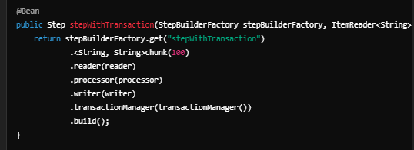
Interceptors can be used to hook into the batch job execution flow and perform actions like logging, error handling, or modifying job parameters.

Job Parameters:
JobParameters are used to pass dynamic parameters to a job at runtime. This allows for parameterized execution of batch jobs.

Transactions:
Spring Batch supports transactional processing, ensuring that all operations within a chunk (read, process, write) are atomic. If any step fails, the transaction is rolled back.

Sheet5
What is Spring BOM?
In Spring, a Bill of Materials (BOM) is a mechanism to define a set of dependencies for a project. It is used to manage the versions of various dependencies to ensure that they are compatible with each other. BOM is especially useful in multi-module projects, as it provides a centralized way to manage dependencies, preventing version conflicts.

A BOM defines a list of artifacts (such as libraries or dependencies) and their specific versions. By using BOM, you don't need to specify the versions of dependencies explicitly. Instead, you import the BOM, and it will automatically manage the versions for you.

Key Concepts of Spring BOM:
Spring BOM in Maven: | 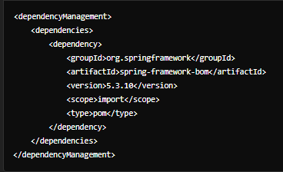

In Maven, BOM is defined using the <dependencyManagement> section in the pom.xml file.
By importing a BOM, you can use the dependencies defined in that BOM without specifying their versions.
Example

Spring BOM in Gradle:

In Gradle, BOM is used similarly through the platform feature.

Security in Spring: | 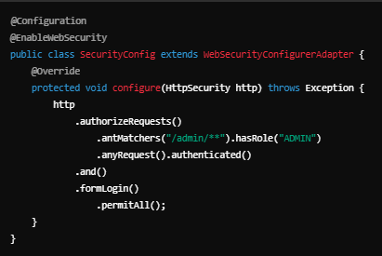
Spring Security is an important aspect of the framework that focuses on providing authentication and authorization to secure applications.

Authentication: The process of verifying the identity of a user or entity. In Spring Security, you can configure authentication mechanisms like in-memory authentication, LDAP authentication, or JDBC authentication.
Authorization: The process of determining if a user has the right to access a particular resource. You can configure roles, permissions, and method security to control access.
Example of Authentication Configuration:

Interceptors in Spring: | 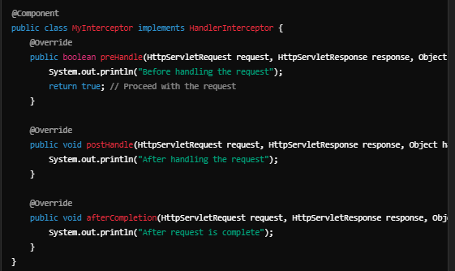
Interceptors allow you to perform operations before or after handling a request. In Spring, this is typically done through HandlerInterceptor in Spring MVC.

You also need to register the interceptor in your WebMvcConfigurer: javaCopy

Pre-Processing: You can modify the request or log information before the handler method executes.
Post-Processing: You can modify the response or perform logging after the handler method executes.
Example of a Spring Interceptor:

Queries in Spring: | 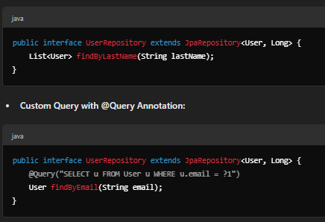
In Spring, you typically work with JPA (Java Persistence API) to interact with databases. Spring Data JPA simplifies database queries, allowing you to define repository interfaces without needing to write SQL or JPQL queries.

Repository Interface Example:

In addition, Spring provides Criteria API for building dynamic queries, which can be useful for complex query generation.

Advanced BOM Usage:
Version Management: Spring BOM simplifies version management across dependencies. For example, you can define the Spring Boot version in the BOM, and all dependencies managed by Spring Boot will use compatible versions.

Custom BOM: You can create your own BOM for internal modules, defining common dependencies and versions shared across projects.

